Attendance
Attendance and barometer

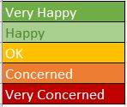
 |  | Name A | Name B | etc
M | Add date
T
W
T
F

M
T
W
T
F

M
T
W
T
F

M
T
W
T
F

